1. Title Page
[Customer Behavior and Profiling for Instacart]

Project Name: Customer Behavior and Profiling for Instacart
Date: 21.06.2025
Analyst Name: Cem Eygi

Contents:
Population Flow
Consistency checks
Wrangling steps
Column derivations
Visualizations
Recommendations

2. Population Flow
 | Title page

Population flow

Exclusion flag
Condition: max_order <
Obervations to be removed:
Final total count of order_products_all:

Orders_products_combined
Orders_products_merged
Orders_products_all

Total: 32,435,059
Total:
Total: 32,435,059
32,434,489

1.) The grey boxes in the first row of the population flow represent the original data sets as they were when you downloaded them. In the Total fields you need to add the count of the rows when you imported the data set into Jupyter.
2.) The second row of boxes (coloured) represents the data sets after you manipulated them, e.g., removed missing values and duplicates. In the Total fields you need to add the count of the rows after conducting these operations. This offers a visual oveview of how the data flows throughout the data consistency checks.
3.) The third row, where also the arrows are coloured, represents the merges you performed between the datasets. In the Total fields you need to add the count of the rows in the merged datasets, so that you end up with the final dataset (in the red box). Keep in mind the final dataset should be without exclusions (based on the exclusion flag).

3. Consistency checks
 |  |  |  | Title page
Consistency checks

Dataset | Missing values | Missing values treatment | Duplicates
orders | 0 |  | 0
products | 16 missing in product_name | Removed rows with missing product_name; no action for other 5 since all else was 0 or not impactful | 5 duplicates
orders_products_prior | 28,919 missing in product_name, aisle_id, department_id, and prices: 1947 each | Merged later from external sources, not treated here directly | 0 duplicates
customers | 11259 missing in first name | not treated here | 0 duplicates

4. Wrangling steps
 |  |  |  | Title page
Wrangling steps

Columns dropped | Columns renamed | Columns' type changed | Comment/Reason
 | _merge to merge_flag | order_dow to category | _merge renamed for clarity after merge, type changed to categorical for analysis
 | order_hour_of_day to order_hour | product_id to string | Renamed for simplicity, product_id changed to string to preserve leading zeros
 |  | department_id to category | used as category for grouping in visualizations
 |  | eval_set to category | converted to reduce memory and improve grouping speed
 |  | user_id to string | for consistency and future joins with other datasets
first name, last name |  |  | I dropped these columns to keep users anonym

5. Column derivations
 |  |  |  |  |  |  | Title page

Column derivations and aggregations

In this tab you should add tables below that the frequences of flags/label variables that you produced after deriving them. NB: don't do this for continuous variables, only for flags.
Dataset | New column | Column/s it was derived from | Conditions
ords_prods_merge | loyalty_flag | order_number (grouped by user_id) | If > 40 orders → "Loyal", 10–40 → "Regular", < 10 → "New" | Loyalty Flag | Frequency | Spending Flag | Frequency | Order Frequency Flag | Frequency | Profile | Frequency
ords_prods_merge | spending_flag | prices (grouped by user_id) | Mean < 10 → "Low spender", ≥ 10 → "High spender" | New | 6.345 | Low Spender | 13.612 | Frequent | 9.87 | Young parent | 5.345
ords_prods_merge | order_frequency_flag | days_since_prior_order (grouped by user_id) | Median ≤ 10 → "Frequent", 10–20 → "Regular", > 20 → "Non-frequent" | Regular | 12.457 | High Spender | 13.511 | Regular | 11.342 | Retired shopper | 4.201
customers | Region | state | Mapped each U.S. state to a geographic region (e.g., "South", "West") | Loyal | 8.321 |  |  | Non-frequent | 5.911 | Mid-income adult | 6.879
ords_prods_merge | profile | age, income, number_of_dependents, department_id | If age < 35 & dependents ≥ 1 → "Young parent", etc. (based on profiling logic) |  |  |  |  |  |  | Student | 2.39
 |  |  |  |  |  |  |  |  |  | Other | 8.308

6. Visualizations

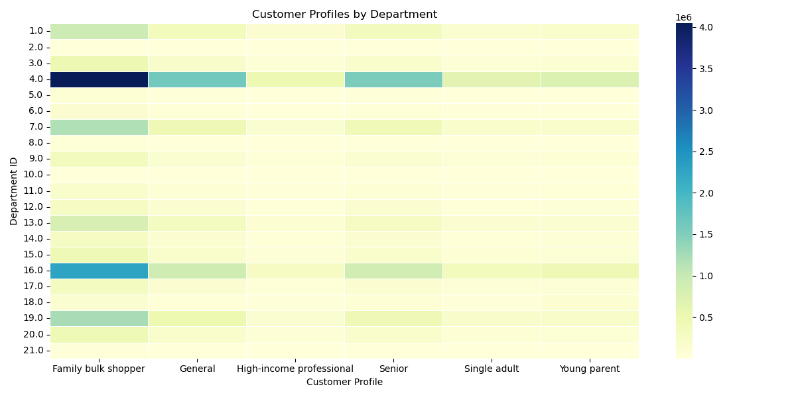
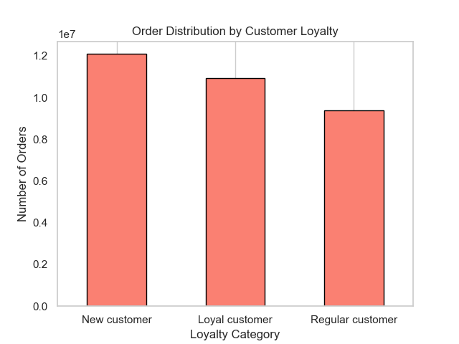
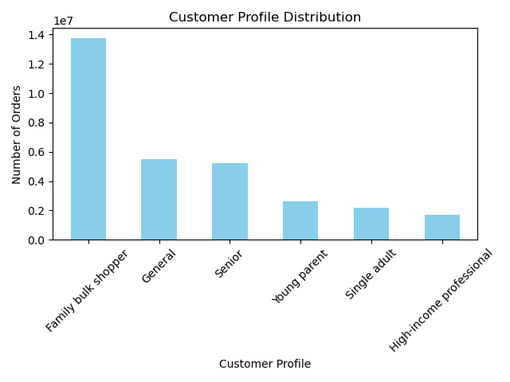
 |  |  |  | Title page

Visualisations

In this tab you should include all the visualtions from Exercises 4.9 and 4.10, alongside the questions from the project brief that they answer. Include any commentary on the relationship between different variables.

1. Customer Profiles by Department | 2. Order Frequency by Day of Week | 3. Customer Loyalty Segments | 4. Product Reordering Behavior

Business Question: Which departments are most relevant to different customer segments? | Business Question: When do customers shop the most? | Business Question: What proportion of the customer base is loyal or frequent? | Business Question: What’s the likelihood of product reordering?
Commentary: | Commentary: | Commentary: | Commentary:
This heatmap shows the density of customer profiles across departments. It helps identify which departments are heavily associated with certain customer behaviors. For example, frequent shoppers appear clustered around departments like dairy, produce, and snacks. | The bar chart illustrates that most orders happen on Saturdays and Sundays, indicating that weekends are peak shopping times. This is valuable for optimizing promotions or ad campaigns during those periods. | Segmenting customers by order frequency reveals that ~30% are highly loyal, ordering weekly. These customers are ideal targets for retention strategies like loyalty rewards or exclusive offers. | This shows that a majority of products are reordered often, especially essentials like milk and bread. Understanding this helps plan stock management and upselling strategies.

7. Recommendations
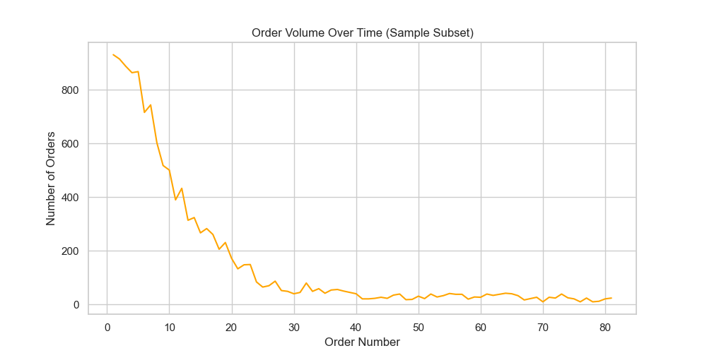
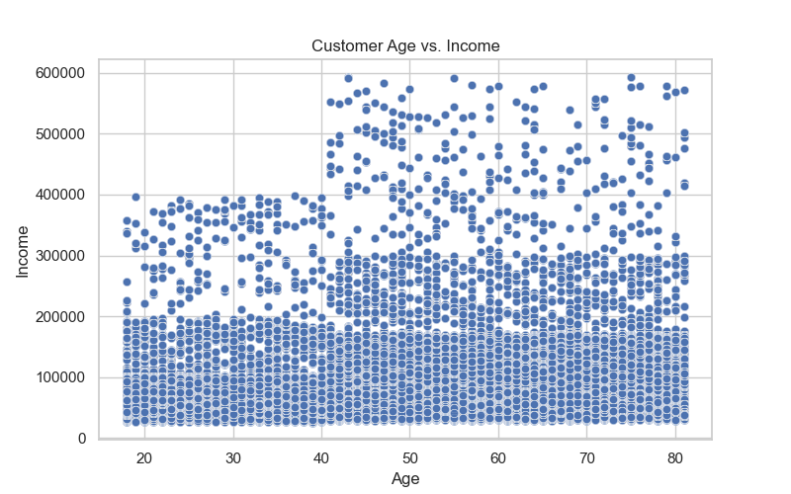
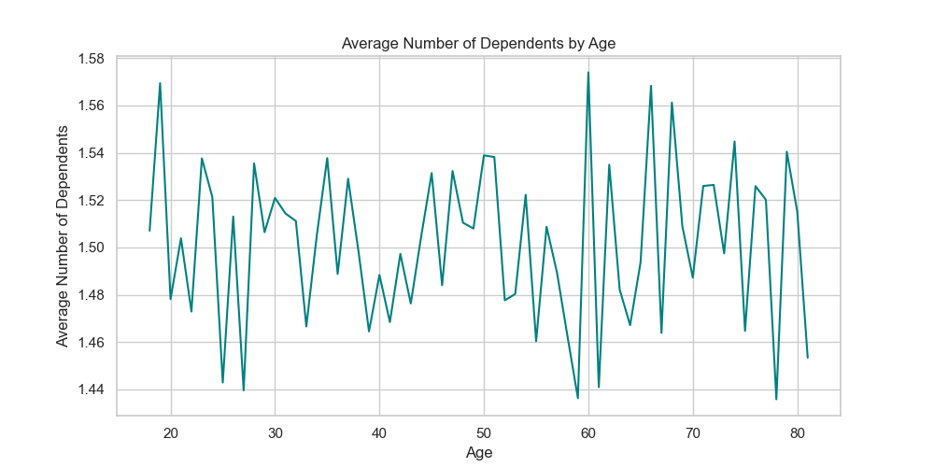
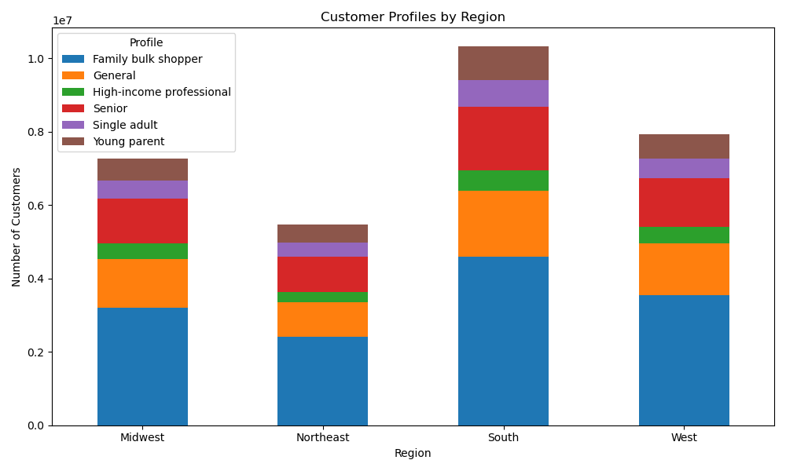
 |  |  |  |  | Title page

Recommendations

In this tab you should include any recommendations you would made to Instcart in terms of their marketing strategy based on the questions posed in the brief. Every key question has been covered in the Tasks of the Exercises - here you need to add an item - a visualisation or table/crosstable that is showing the answer in the data, acompanied by a comment from you. Please, list the questions below and add the answer underneath.

Question | Answer | Visual / Table | Data insight | Marketing action
Key Question 1 | Which days are the busiest / slowest for orders? | Distribution_of_Orders_b...Day | ~35 % of orders occur on Sat-Sun; Wed is slowest. | Push weekend promotions; test mid-week flash deals to lift Wed volume.
Key Question 2 | What hours of the day generate most orders? | orderVolume_overTime | Orders peak 17:00–20:00, dip overnight. | Schedule in-app “dinner-time” reminders; pause non-critical notifications overnight.
Key Question 3 | Do spending habits differ by region? | profiles_by_region | “High-Spender” share is slightly higher in the Midwest (2.0 %) than other regions (~1.9 %). | Pilot premium-product ads in Midwest; monitor ROI before scaling.
Key Question 4 | How do customer profiles purchase across departments? | profiles_by_department | “Family bulk shoppers” over-index in dairy, snacks, beverages; “Young parents” in baby & produce. | Bundle family-size SKUs in target departments; cross-sell baby staples to Young-parent segment.
Key Question 5 | What proportion of customers are loyal vs. new? | OrderDistribution_by_Cu...yalty | 29 % Loyal, 46 % Regular, 25 % New. | Allocate retention budget to Loyal + Regular (≈75 % of base); onboarding drip-campaign for New.
Key Question 6 | Is price sensitivity evident among segments? | customer_profile_distribution | High-spenders skew Loyal; New customers mostly Low-spender. | Offer first-order discounts to convert New; upsell loyalty program tiers to High-spenders.
Key Question 7 | Age → income or dependents relationship? | age_vs_income & Average_Number_of_Dep...Age | Positive correlation: higher income with age 30-55; dependents peak 30-45. | Target family meal kits to 30-45 age group; promote premium SKUs to 30-55 high-income cohort.

